Create Client
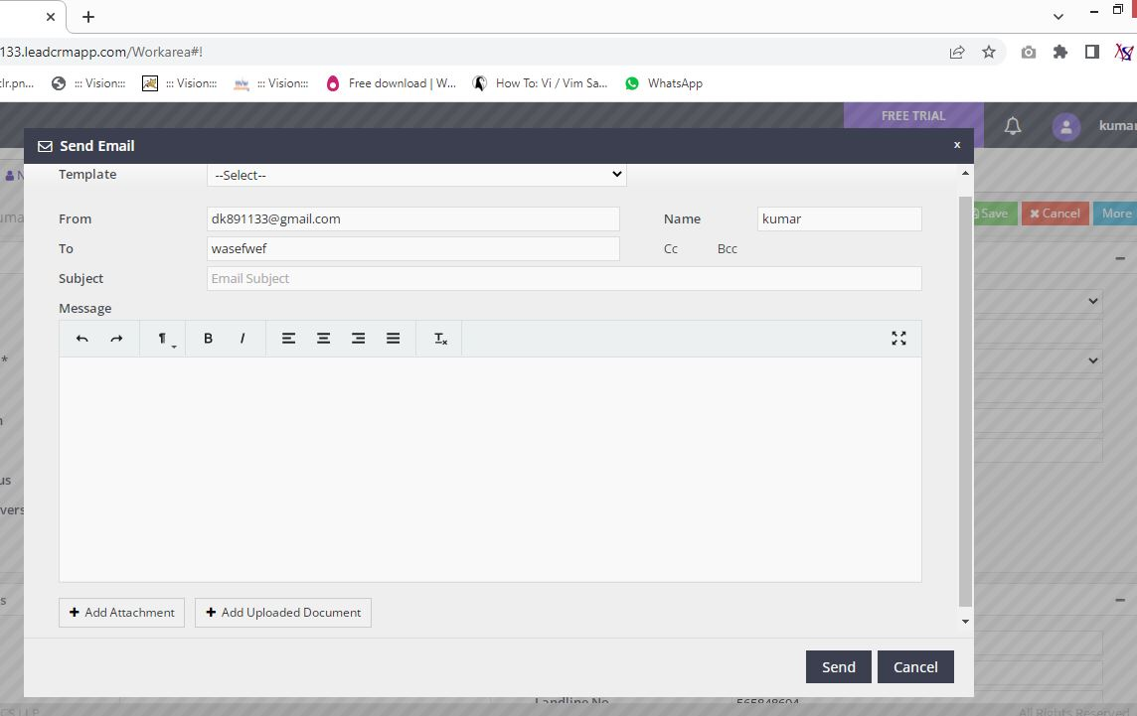
Client

Collapse | Create Client
 | Search Client
 | Bulk Edit
 | Client Portfolio
 | Merge Client
 | Manage Client User

Create New lead | Grid | Functionality | Heading
 | Client Details | Save | Create New Client
 | Contact Details | Cancel
 | Other Details
 | Upload Documents

 |  | Create Client -- Creating New Client |  |  |  | Image

1. Client Details Grid | Field name | Field Type | Mandatory | Validation
Client Details | Client Type | DropDown | Y | Select Option
Client Details | Title | DropDown | N | Select Option
Client Details | Client Name | Text | Y | Alphabets, Length
Client Details | Gender | DropDown | N | Select Option
Client Details | Date of Birth | Date | N | Not Future Date
Client Details | Age | Text | N | Numeric
Client Details | Marital Status | DropDown | N | Select Option
Client Details | Date of Anniversary | Date | N | Date Format, not before today
Client Details | PAN | Text | N | Length
Client Details | Occupation | DropDown | N | Select Option
Client Details | Designation | Text | N | Length
Client Details | Annual Income | DropDown | N | Select Option
Client Details | Passport No | Text | N | Length
Client Details | GSTIN | Text | N | Length
Client Details | DMATID | Text | N | Length

2. Contact Details Grid | Field name | Field Type | Mandatory | Validation

Contact Details | Location | Text | N | Length
Contact Details | Address | Text | N | Length
Contact Details | City | Text | N | Length
Contact Details | State | DropDown | N | Select Option
Contact Details | PIN | Text | N | Numeric
Contact Details | Alternate Address | Text | N | Length
Contact Details | Mobile No | Text | N | Numeric, Length
Contact Details | Other Contact Details | Text | N | Numeric, Length
Contact Details | Landline No | Text | N | Numeric, Length
Contact Details | Email id | Text | N | MailFormat, Length

3. Other Details Grid | Field name | Field Type | Mandatory | Validation

Other Details | Default User | DropDown | N | Select Option
Other Details | Is Group Client | DropDown | N | Select Option
Other Details | Group Client | DropDown | N | Select Option
Other Details | POS | DropDown | N | Select Option
Other Details | Source | DropDown | N | Select Option
Other Details | Will Provide Reference? | DropDown | N | Select Option

If Group Client is Y in Drop Down add Members
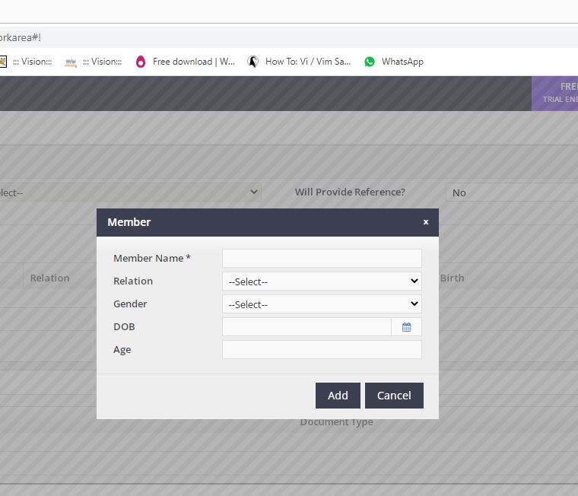

3.1 Add Group Members | Field name | Field Type | Mandatory
Member | Member Name | Text | Y
 | Relation | DropDown
 | Gender | DropDown
 | DOB | Date
 | Age

4 Upload Documents | Field name | Field Type | Mandatory | Validation
Upload Documents | Files to Upload

 | After File Upload options for view that file

 | File Type
 | File Name
 | Document Type | DropDown | Y
 | View
 | Delete

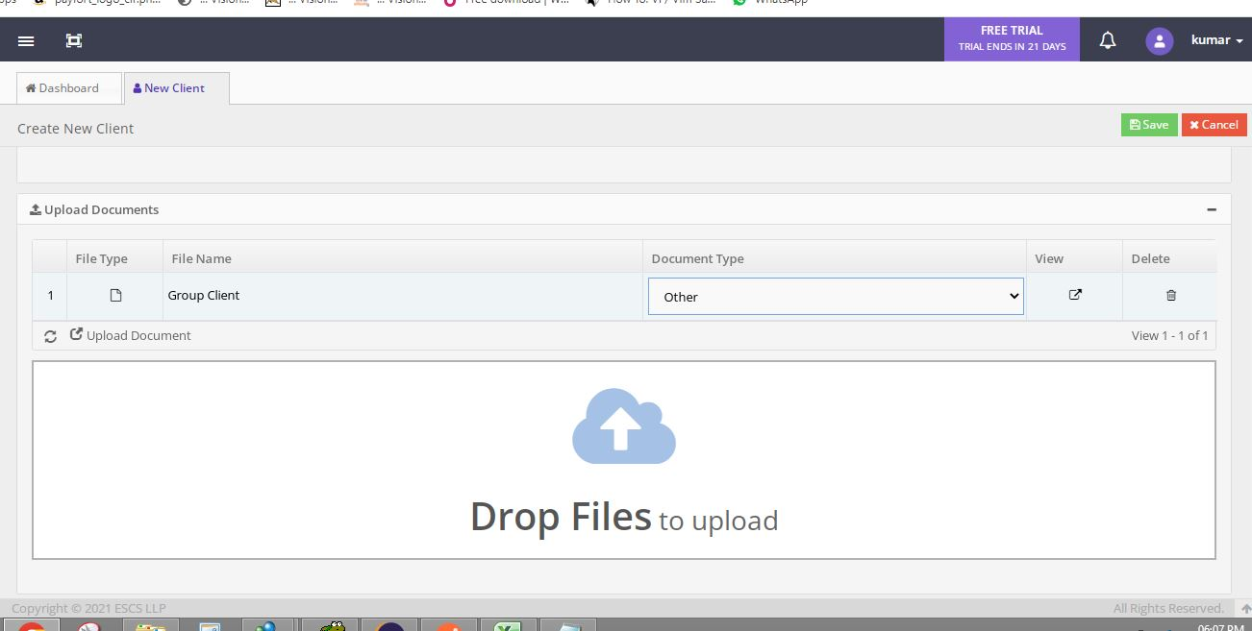

4.1 Document Upload Option

After Upload

After Client Creation
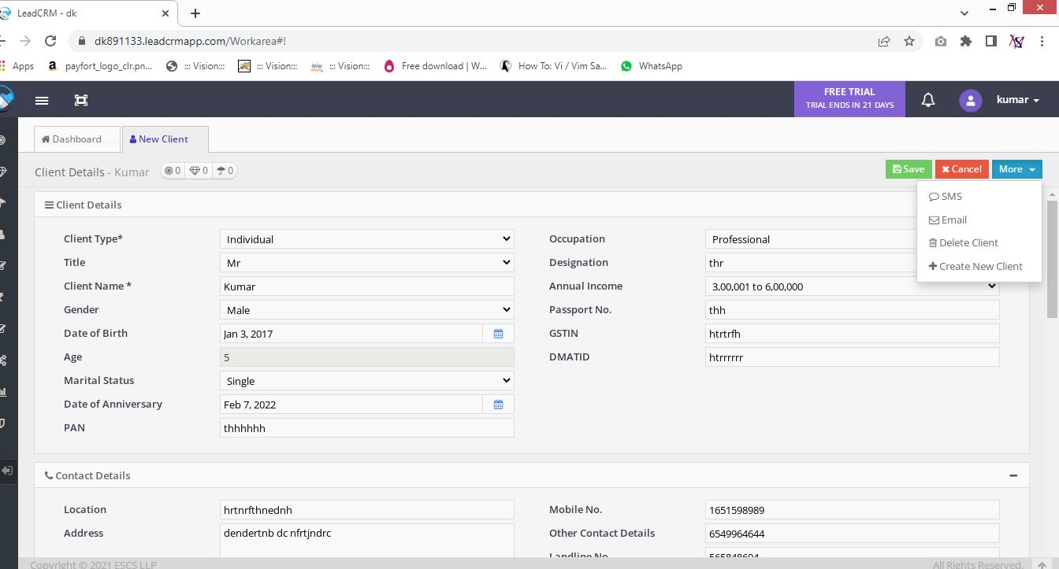

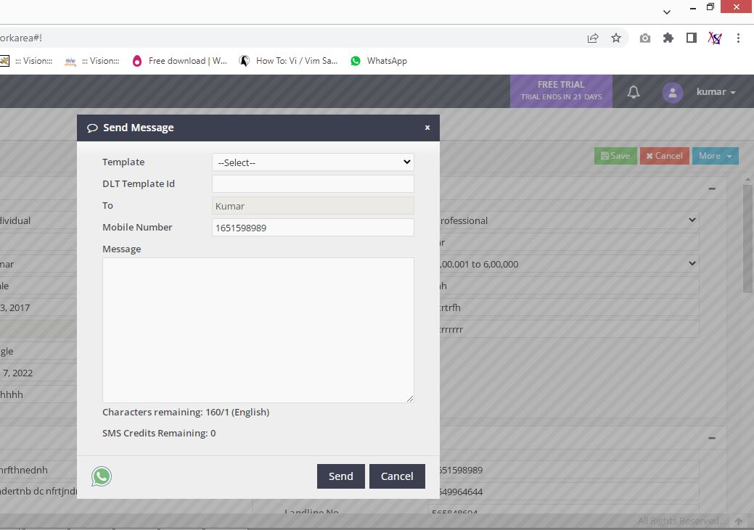
Send Sms Option
 |  |  |  |  | Send Email Option

Search Client
 |  | Search Client -- Search client and edit details of that client

 | Search client by Name, Mobile No, Email Id
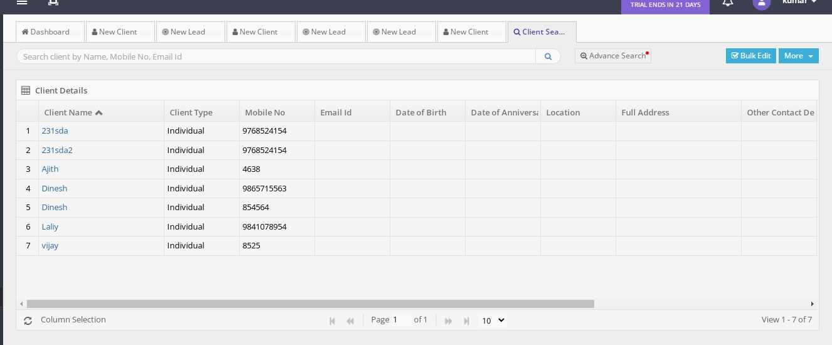
Client Details Grid | Field name | Field Type | Mandatory | Validation

Client Details | Client Name
Client Details | Client Type
Client Details | Mobile No
Client Details | Email Id
Client Details | Date Of Birth
Client Details | Date Of Anniversary
Client Details | Location
Client Details | Full Address
Client Details | Other Contact Details
Client Details | Group Client
Client Details | Is Group Client
Client Details | Will Provide Reference
Client Details | POS

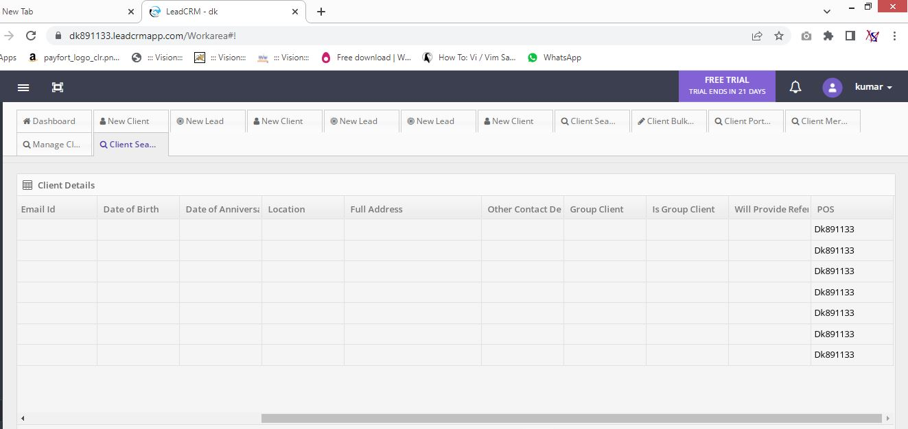
 |  |  | More
 |  |  | view Lead
 |  |  | View prospect
 |  |  | view policy

 |  |  | Pagination Required

Bulk Edit
 | Bulk Edit -- In Bulk Edit Select Clients and Change the Below fields of selected Clients

 | Search client by Name, Mobile No, Email Id
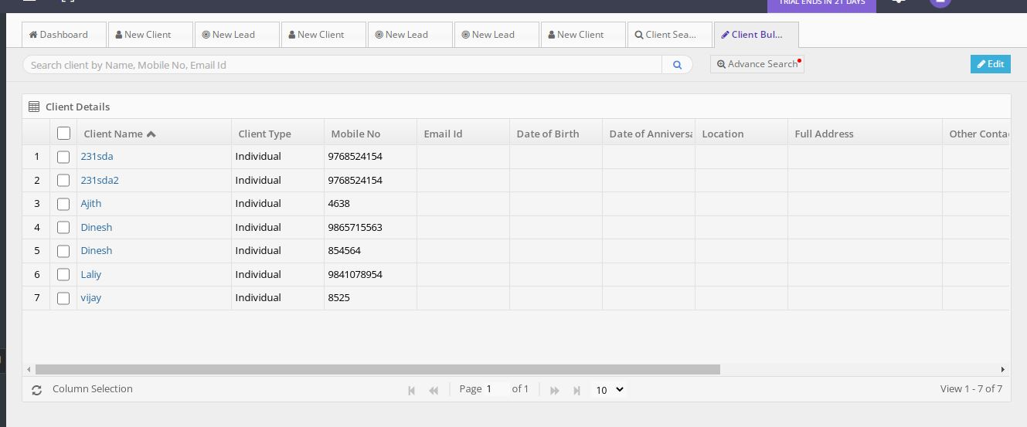
Client Details Grid | Field name | Field Type | Mandatory | Validation

Client Details | Client Name
Client Details | Client Type
Client Details | Mobile No
Client Details | Email Id
Client Details | Date Of Birth
Client Details | Date of Anniversary
Client Details | Location
Client Details | Full Address
Client Details | Other Contact Details
Client Details | Group Client
Client Details | Is Group Client
Client Details | Will Provide Reference
Client Details | POS

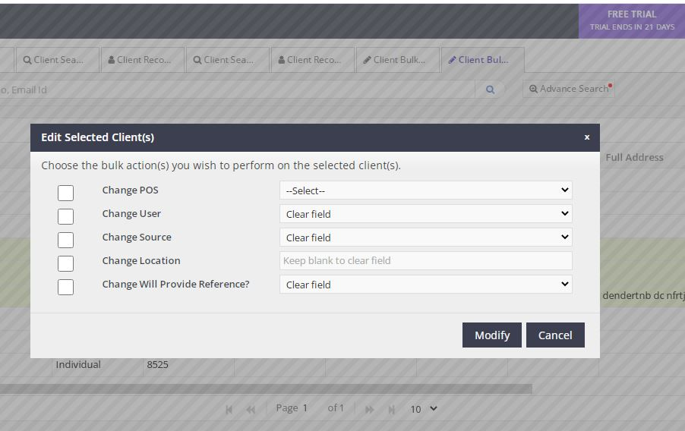
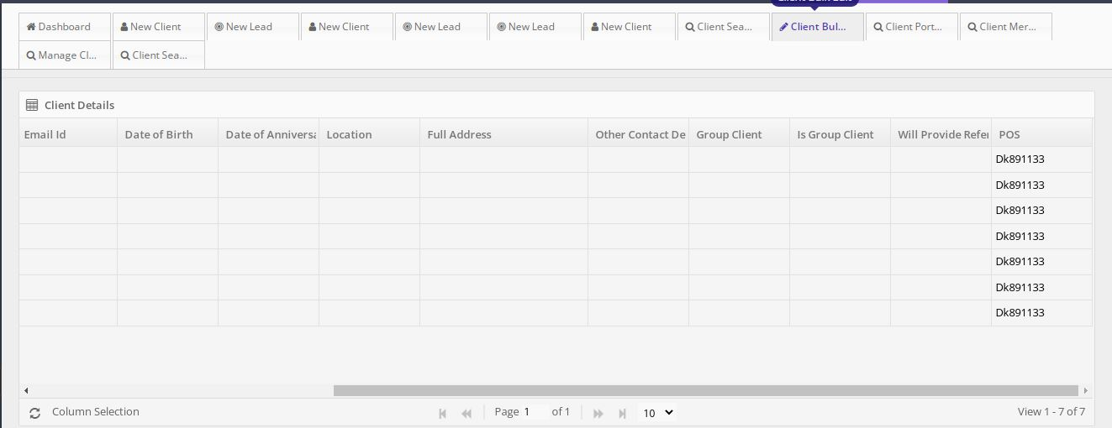

In Advance Search

Client Name | Text
Mobile No | Text
Email Id | Text
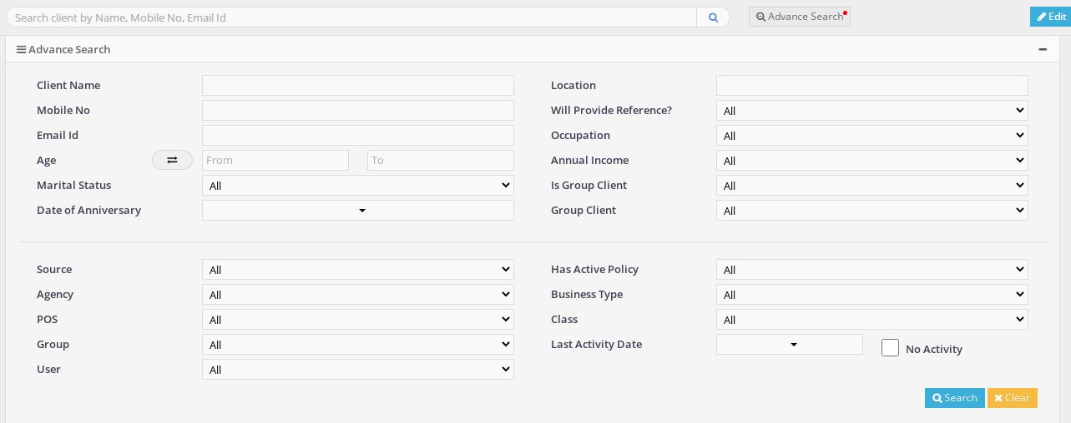
Age | Text
Marital Status | Drop Down
Date Of Anniversary | Drop Down
Location | Text
Will provide Reference? | Drop Down
Occupation | Drop Down
Annual Income | Drop Down
Is Group Client | Drop Down
Group Client | Drop Down
Source | Drop Down
Agency | Drop Down
POS | Drop Down
Group | Drop Down
User | Drop Down
Has Active Policy | Drop Down
Business Type | Drop Down
Class | Drop Down
Last Activity Date | Drop Down
No Activity | Check Box

 |  | Pagination Required

Client Portfolio
 | Client Portfolio -- Client Portfolio means Select Client and View the policy details of that client
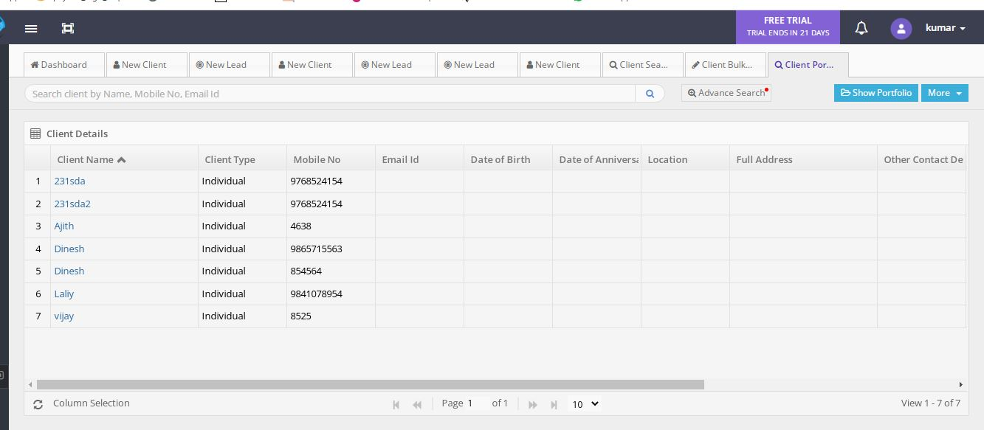

 | Search client by Name, Mobile No, Email Id

Client Details Grid | Field name | Field Type | Mandatory | Validation

Client Details | Client Name
Client Details | Client Type
Client Details | Mobile No
Client Details | Email Id
Client Details | Date of Birth
Client Details | Date of Anniversary
Client Details | Location
Client Details | Full address
Client Details | Other Contact Details
Client Details | Group Client
Client Details | Is Group Client
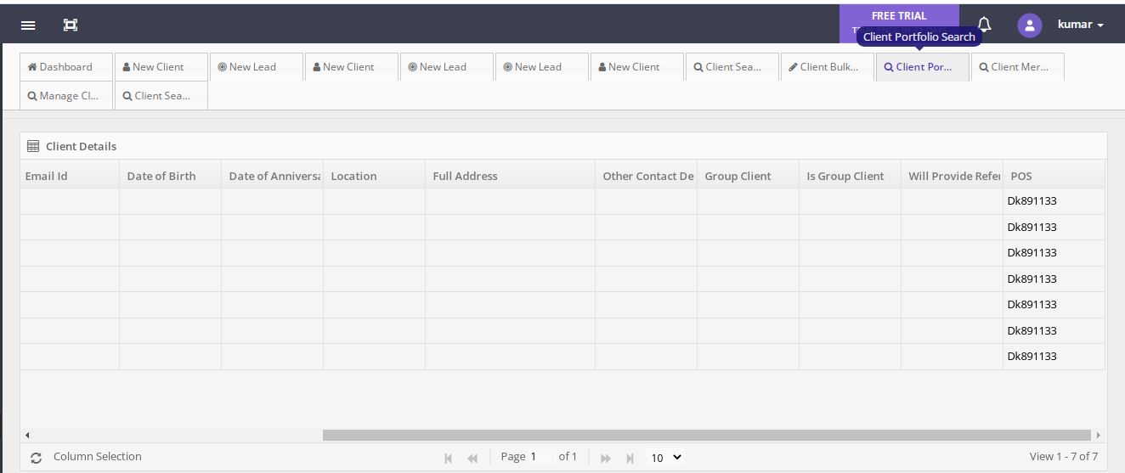
Client Details | Will provide Reference
Client Details | POS

 |  | More
 |  | view Lead
 |  | View prospect
 |  | view policy

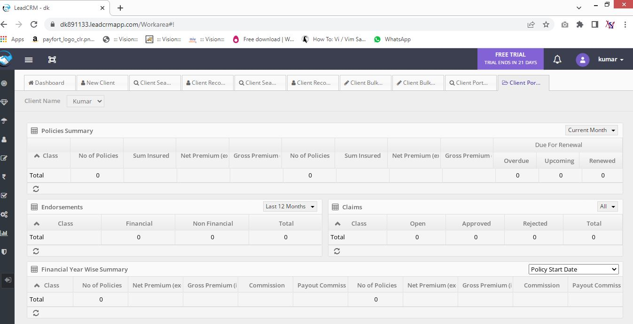

Show Portfolio

Client Name

Policies Summary

Class
No of Policies
Sum Insured
Net Premium
Gross Premium
No of Policies
Sum Insured
Net Premium
Gross Premium

Due For Renewal
OverDue
Upcoming
Renewed

Endorsement | Last 12 months
Class
Financial
Non Financial
Total

Claims | All
Class
Open
Approved
Rejected
Total

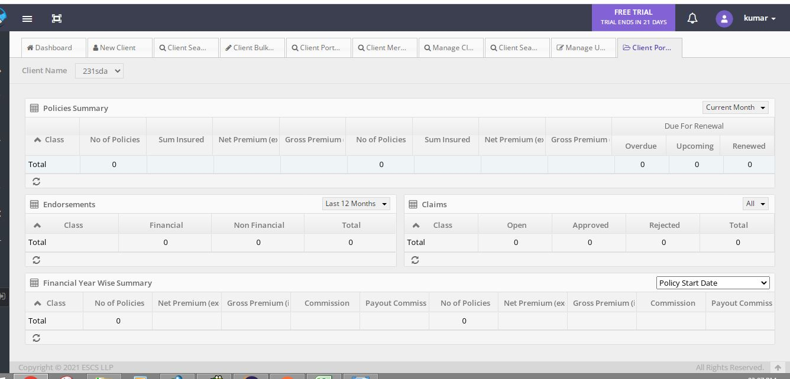
Financial Year Wise Summary

Class | Policy Start Date
No of Policies
Net Premium
Gross Premium
Commission
Payout Commission
No of Policies
Net Premium
Gross Premium
Commission
Payout Commission

 |  |  | Pagination Required

Merge Client
 | Merge Client -- If the same name client means combine two clients and remove duplicate
 | Search client by Name, Mobile No, Email Id
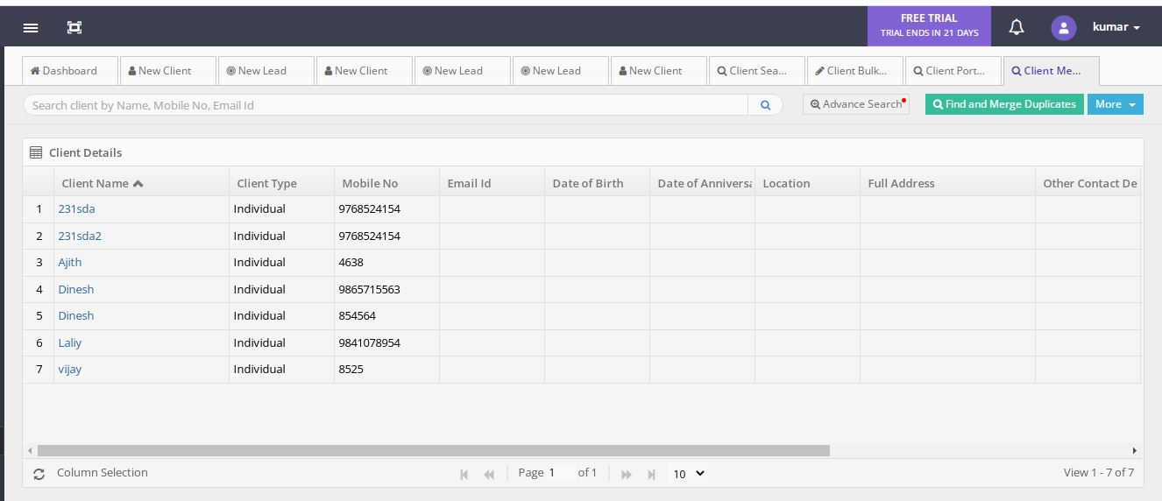
Client Details Grid | Field name | Field Type | Mandatory | Validation

Client Details | Client Name
Client Details | Client Type
Client Details | Mobile No
Client Details | Email Id
Client Details | Date of Birth
Client Details | Date of Anniversary
Client Details | Location
Client Details | Full address
Client Details | Other Contact Details
Client Details | Group Client
Client Details | Is Group Client
Client Details | Will provide Reference
Client Details | POS

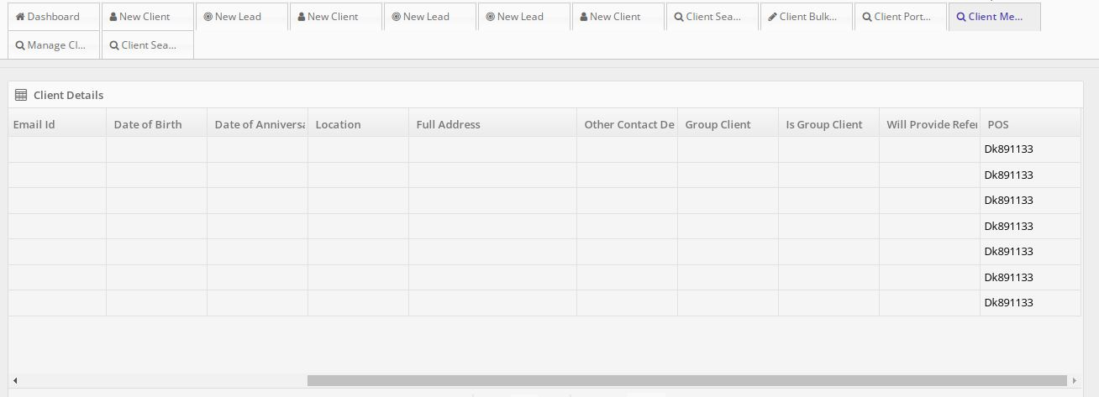

 |  |  | More
 |  |  | view Lead
 |  |  | View prospect
 |  |  | view policy

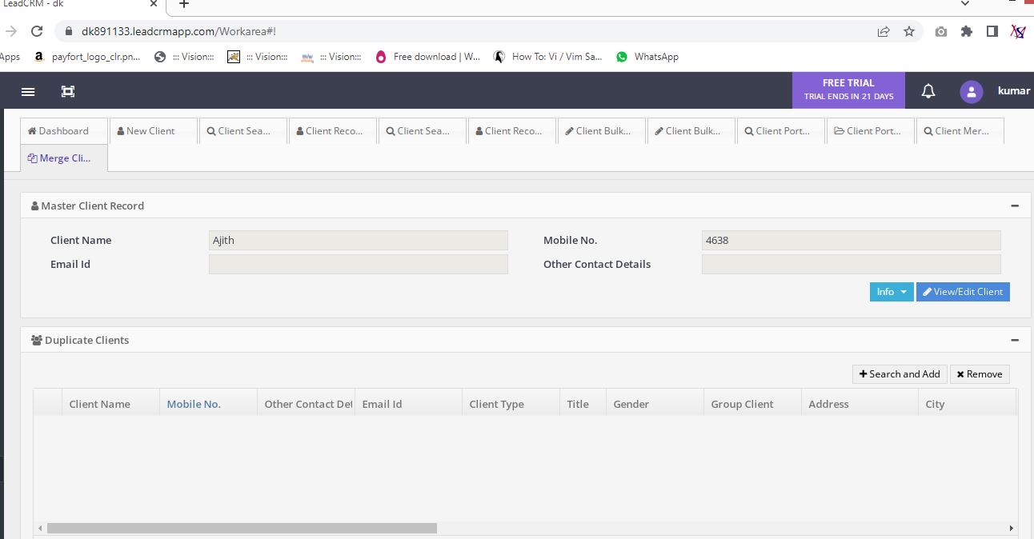

 |  |  | Pagination Required

Manage Client User
 |  | Manage Client User -- Manage Client User for view all clients

 |  | Search client by Name, Mobile No, Email Id
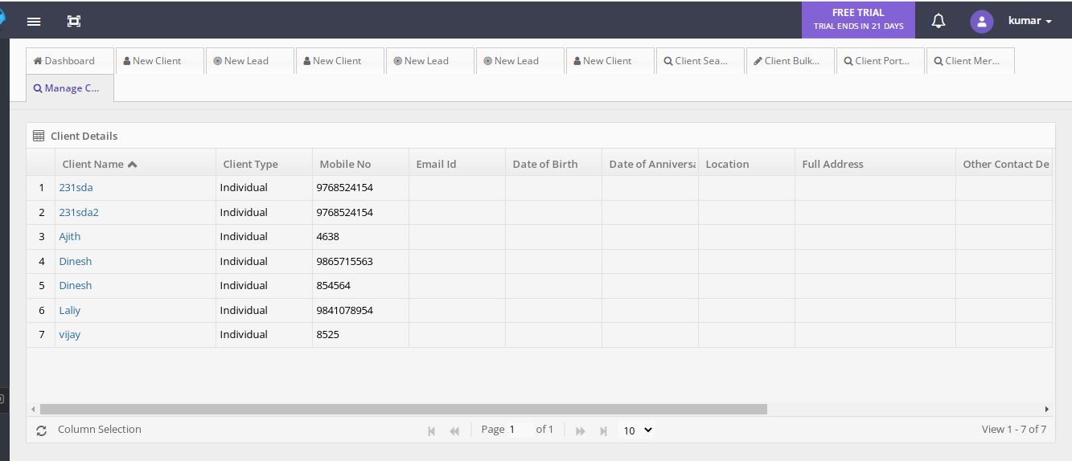
Client Details Grid | Field name | Field Type | Mandatory | Validation

Client Details | Client Name
Client Details | Client Type
Client Details | Mobile No
Client Details | Email Id
Client Details | Date of Birth
Client Details | Date of Anniversary
Client Details | Location
Client Details | Full address
Client Details | Other Contact Details
Client Details | Group Client
Client Details | Is Group Client
Client Details | Will provide Reference
Client Details | POS

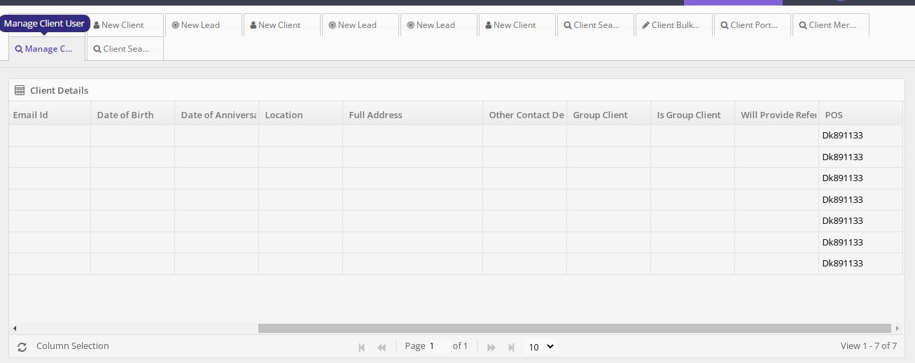

 | Pagination Included

 |  |  |  | Pagination Required

Search Endorsement
 | Search Endorsement
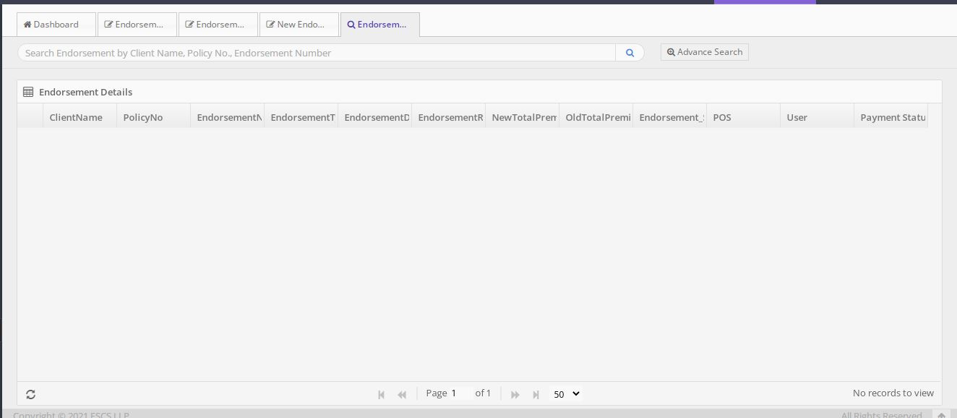

View The Information

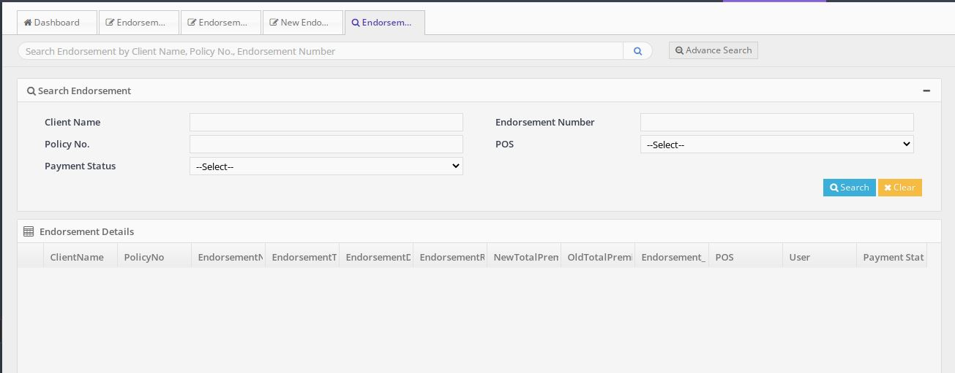
Advance Search

